MegaCard 5 pinout - public
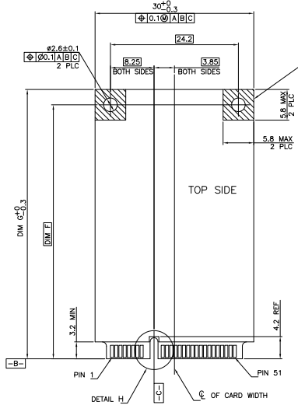
MegaCard 5 Top Side Pins |  |  | MegaCard 5 Bottom Side Pins
Pin number | Function | Note | Pin number | Function | Note
1 | GND |  | 2 | GND
3 | PWR_IN | Power input | 4 | !RESET | ETH switch IC reset signal (active low, can be left floating)
5 | PWR_IN | Power input | 6 | !POWER_OFF | ETH switch IC power down signal (active low, can be left floating)
7 | GND |  | 8 | GND
9 | 5V_OUT | 5 V output / input | 10 | RESERVED | Don't connect on host PCB
11 | 5V_OUT | 5 V output / input | 12 | SCL/MDC | Optional configuration interface clock signal
13 | 3.3V_OUT | 3.3 V output / input | 14 | SDA/MDIO | Optional configuration interface data signal
15 | GND |  | 16 | GND
MegaCard 5 Alignment slot in PCB / Connector |  |  | MegaCard 5 Alignment slot in PCB / Connector
17 | RESERVED | Don't connect on host PCB | 18 | RESERVED | Don't connect on host PCB
19 | RESERVED | Don't connect on host PCB | 20 | RESERVED | Don't connect on host PCB
21 | GND |  | 22 | GND
23 | P0_RX+ |  | 24 | P3_RX+
25 | P0_RX- |  | 26 | P3_RX-
27 | GND |  | 28 | GND
29 | P0_TX+ |  | 30 | P3_TX+
31 | P0_TX- |  | 32 | P3_TX-
33 | GND |  | 34 | GND
35 | P1_RX+ |  | 36 | P4_RX+
37 | P1_RX- |  | 38 | P4_RX-
39 | GND |  | 40 | GND
41 | P1_TX+ |  | 42 | P4_TX+
43 | P1_TX- |  | 44 | P4_TX-
45 | GND |  | 46 | GND
47 | P2_RX+ |  | 48 | P2_TX+
49 | P2_RX- |  | 50 | P2_TX-
51 | GND |  | 52 | GND
 |  |  |  |  |  | https://www.te.com/commerce/DocumentDelivery/DDEController?Action=showdoc&DocId=Customer+Drawing%7F1759547%7FJ%7Fpdf%7FEnglish%7FENG_CD_1759547_J.pdf%7F1759547-1

